Sheet1
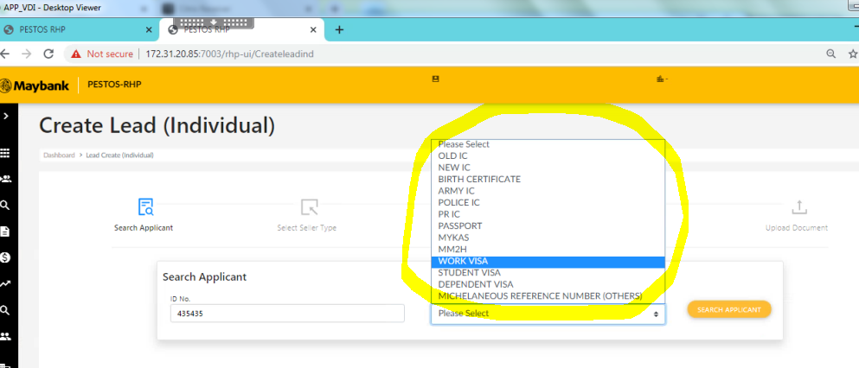
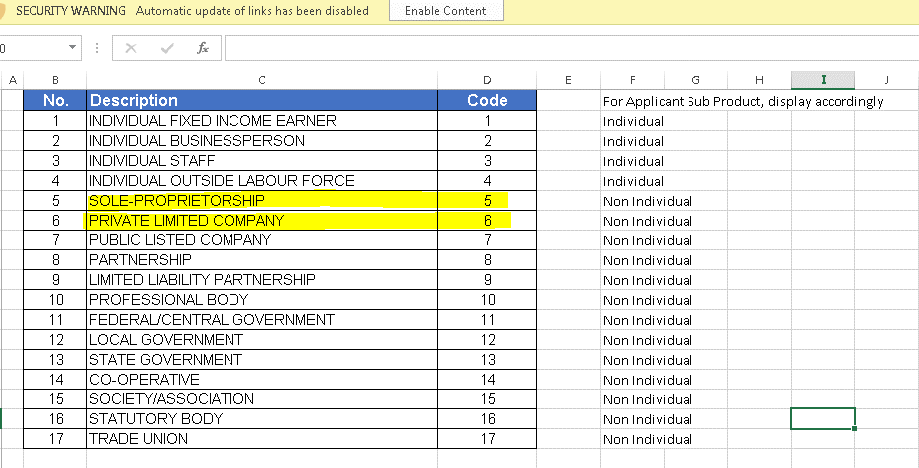

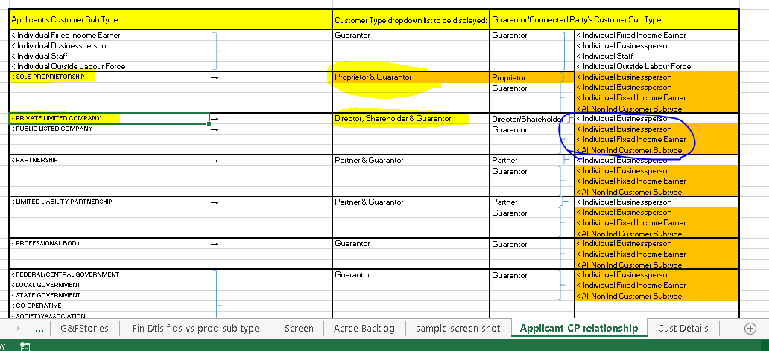

Based on applicant's customer sub type, the connected party customer type should only display the related type and related ID type.
If the customer type available for both indvidual and non individual then the ID type should have both individual and non individual ID type.

Example below, the applicant's suctomer sub type is private limited company and the customer type guarantor id type only show non individual ID type.
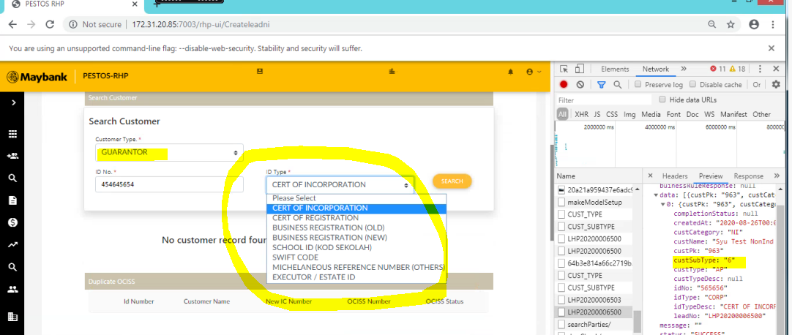

Connected party missing individual ID type as listed in the applicant ID type listing.

